Methodology
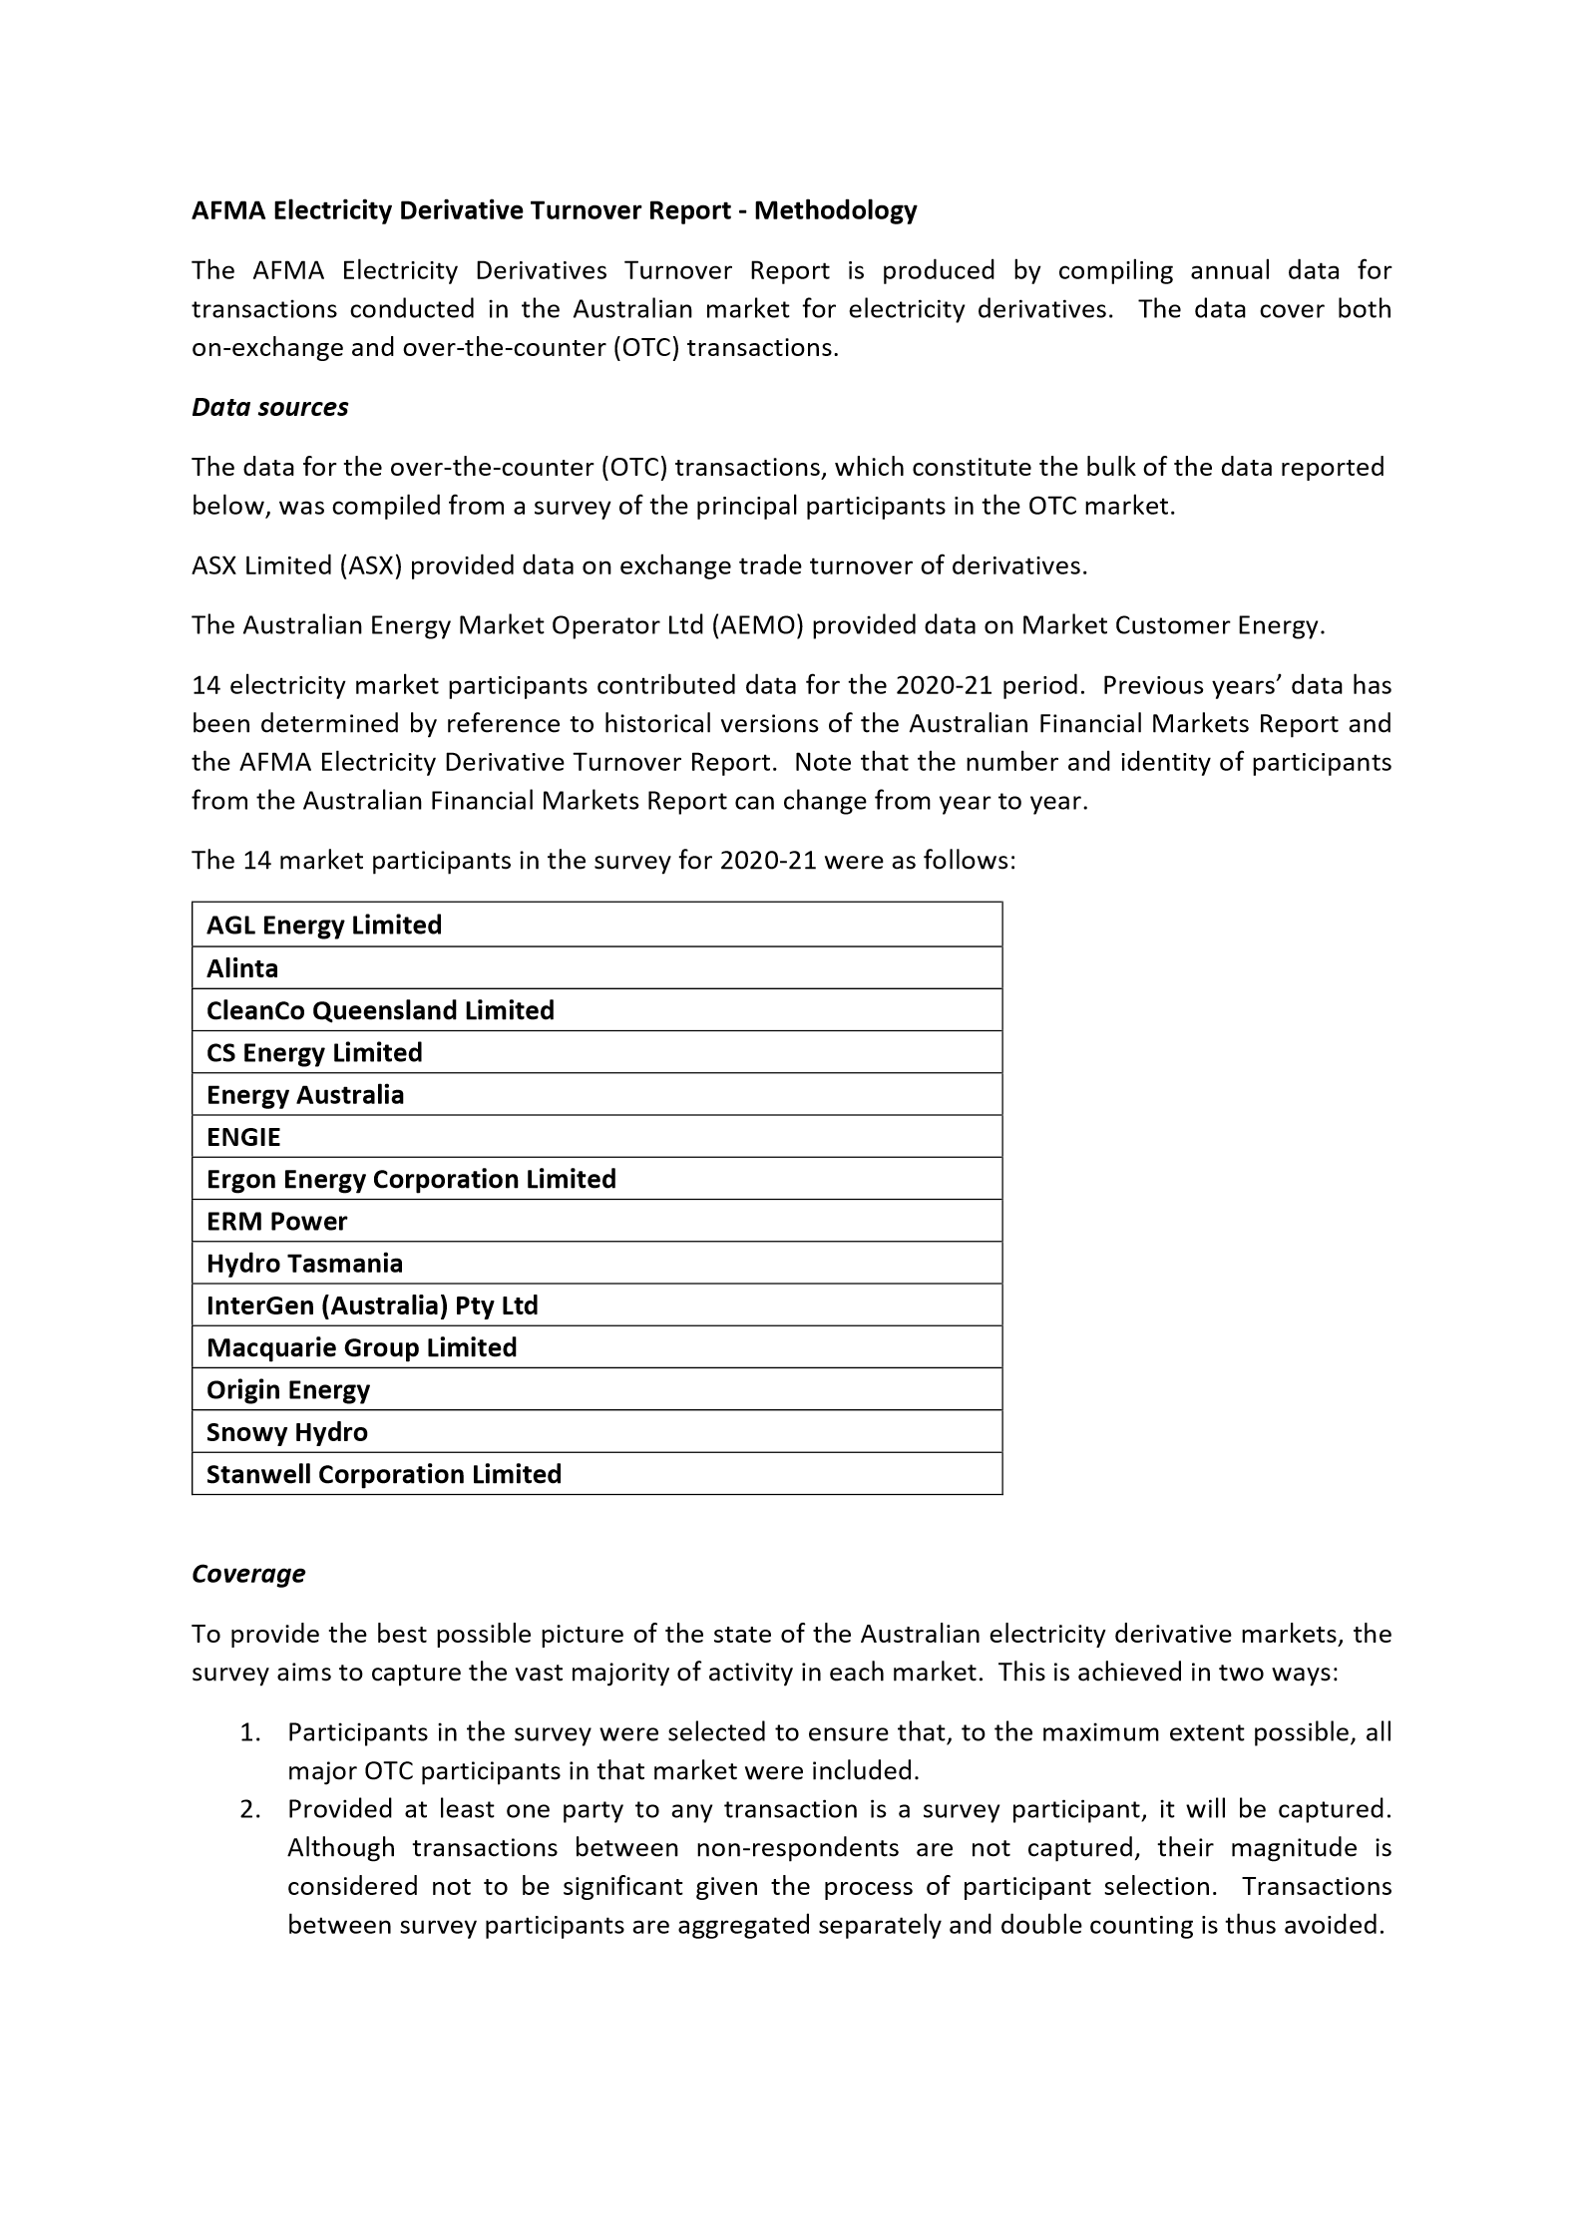
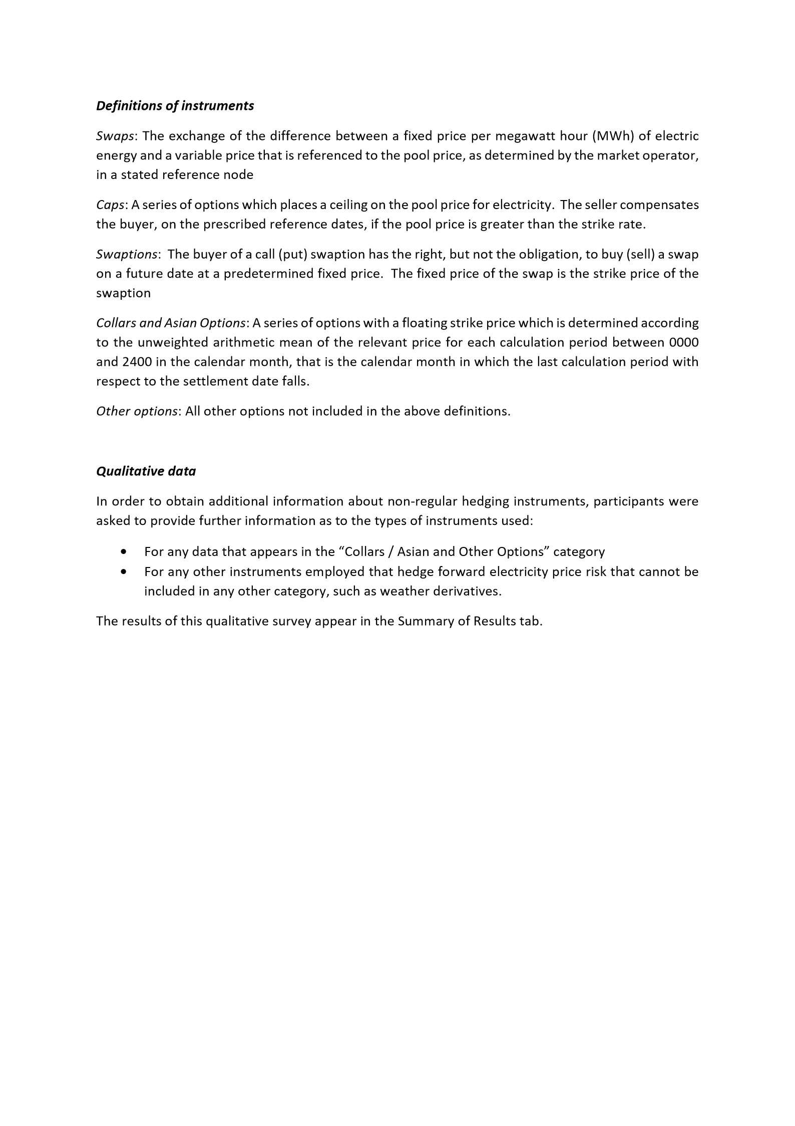
 | Disclaimer: The data used to compile this report has been provided by OTC market participants and by ASX and AEMO. Whilst every care has been taken by AFMA in preparing the content of this report it only provides general information about the market and is not intended for the purpose of providing data for reference rates. AFMA will not be liable for errors or omissions in the content, or for any consequences resulting from any errors or omissions, including any loss resulting from reliance on this content.

Summary of results FY 2021
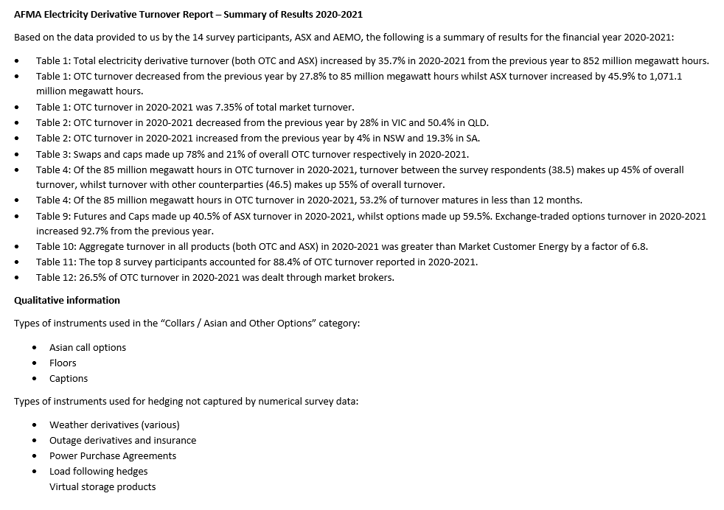
Disclaimer: The data used to compile this report has been provided by OTC market participants and by ASX and AEMO. Whilst every care has been taken by AFMA in preparing the content of this report it only provides general information about the market and is not intended for the purpose of providing data for reference rates. AFMA will not be liable for errors or omissions in the content, or for any consequences resulting from any errors or omissions, including any loss resulting from reliance on this content.

2021 AFMR Electricity
Chart 1: Electricity Markets Turnover
Electricity - OTC and Exchange Traded Markets

Table 1 |  |  |  | Disclaimer: The data used to compile this report has been provided by OTC market participants and by ASX. Whilst every care has been taken by AFMA in preparing the content of this report it only provides general information about the market and is not intended for the purpose of providing data for reference rates. AFMA will not be liable for errors or omissions in the content, or for any consequences resulting from any errors or omissions, including any loss resulting from reliance on this content.
Electricity Markets Turnover (million megawatt hours)
Survey Year | Total Electricity: OTC | Total Electricity: ASX | Aggregate Turnover
2007-08 | 305.0 | 240.8 | 545.8
2008-09 | 208.0 | 300.8 | 508.8
2009-10 | 221.0 | 398.9 | 619.9
2010-11 | 314.6 | 548.6 | 863.2
2011-12 | 227.0 | 436.9 | 663.9
2012-13 | 291.2 | 341.7 | 632.9
2013-14 | 250.8 | 386.7 | 637.5
2014-15 | 73.2 | 446.2 | 519.4
2015-16 | 111.0 | 389.0 | 500.0
2016-17 | 118.8 | 392.4 | 511.2
2017-18 | 108.7 | 333.0 | 441.8
Chart 2: State OTC Turnover
2018-19 | 107.8 | 476.1 | 584.0
2019-20 | 117.6 | 734.4 | 852.0
2020-21 | 85.0 | 1,071.1 | 1,156.1
% change | (27.8) | 45.9 | 35.7

Table 2
State OTC Turnover (million megawatt hours)
Survey Year | NSW | VIC | SA | QLD | TOTAL OTC
2007-08 | 100.0 | 139.0 | 13.0 | 53.0 | 305.0
2008-09 | 59.0 | 48.0 | 10.0 | 91.0 | 208.0
2009-10 | 84.0 | 60.7 | 21.4 | 54.9 | 221.0
2010-11 | 197.2 | 45.2 | 25.8 | 46.4 | 314.6
2011-12 | 95.2 | 52.6 | 3.3 | 75.9 | 227.0
2012-13 | 98.2 | 52.4 | 5.8 | 134.8 | 291.2
2013-14 | 85.3 | 57.3 | 6.0 | 102.2 | 250.8
2014-15 | 25.0 | 11.5 | 3.9 | 32.8 | 73.2
2015-16 | 36.3 | 25.6 | 13.1 | 36.0 | 111.0
2016-17 | 23.1 | 45.8 | 10.9 | 39.0 | 118.8
Chart 3: OTC Turnover by Instrument
2017-18 | 30.0 | 24.9 | 5.3 | 48.6 | 108.7
2018-19 | 18.2 | 18.0 | 4.2 | 67.5 | 107.8
2019-20 | 21.1 | 47.3 | 6.6 | 42.7 | 117.6
2020-21 | 21.9 | 34.1 | 7.8 | 21.1 | 85.0
% change | 4.0 | (28.0) | 19.3 | (50.4) | (27.8)

Table 3
OTC Turnover by Instrument (million megawatt hours)
Instruments | 2016-17 | 2017-18 | 2018-19 | 2019-20 | 2020-21
Swaps | 92.1 | 92.1 | 90.3 | 87.6 | 66.1
Caps | 19.4 | 10.8 | 13.8 | 23.9 | 18.3
Swaptions | 3.7 | 2.2 | 2.2 | 3.0 | -
Collars / Asian and Other Options | 3.6 | 3.7 | 1.5 | 3.2 | 0.6
Total | 118.8 | 108.7 | 107.8 | 117.6 | 85.0

Table 4
OTC Turnover Summary (million megawatt hours) |  |  |  |  |  |  |  | Validation+ delete
Survey Year | Survey Respondents | Other Counterparties | Total | ≤ 12 months (%) | > 12 months (%)
Swaps
2014-15 | 18.6 | 40.1 | 58.6 | 94.8 | 5.2 | 0 | 0 | 0 | 0
2015-16 | 47.3 | 37.1 | 84.4 | 55.6 | 44.4 | 0 | 0 | 0 | 0
2016-17 | 45.8 | 46.3 | 92.1 | 39.9 | 60.1 | 0 | 0 | 0 | 0
2017-18 | 63.0 | 29.1 | 92.1 | 37.2 | 62.8 | 0 | 0 | 0 | 0
Chart 4: Annual Turnover Exchange Traded Instruments
2018-19 | 54.5 | 35.9 | 90.3 | 45.1 | 54.9 | 0 | 0 | 0 | 0
2019-20 | 62.6 | 25.0 | 87.6 | 39.8 | 60.2 | 0 | 0 | 0 | 0
2020-21 | 30.7 | 35.4 | 66.1 | 48.4 | 51.6 | 0 | 0 | 0 | 0
% change | (50.9) | 41.6 | (24.5) | 21.5 | -14.2
Caps
2014-15 | 2.5 | 8.5 | 11.0 | 97.5 | 2.5 | 0 | 0 | 0 | 0
2015-16 | 10.8 | 6.4 | 17.2 | 73.4 | 26.6 | 0 | 0 | 0 | 0
2016-17 | 15.2 | 4.3 | 19.4 | 34.8 | 65.2 | 0 | 0 | 0 | 0
2017-18 | 4.5 | 6.2 | 10.8 | 80.1 | 19.9 | 0 | 0 | 0 | 0
2018-19 | 7.2 | 6.6 | 13.8 | 80.1 | 19.9 | 0 | 0 | 0 | 0
2019-20 | 18.4 | 5.5 | 23.9 | 25.6 | 74.4 | 0 | 0 | 0 | 0
2020-21 | 7.6 | 10.6 | 18.3 | 69.7 | 30.3 | 0 | 0 | 0 | 0
% change | (58.4) | 93.3 | (23.5) | 171.9 | -59.3
Swaptions (receivers/payers)
2014-15 | 0.3 | 1.0 | 1.3 | 100.0 | 0.0 | 0 | 0 | 0 | 0
2015-16 | 3.0 | 0.4 | 3.4 | 62.6 | 37.4 | 0 | 0 | 0 | 0
2016-17 | 2.6 | 1.0 | 3.7 | 76.6 | 23.4 | 0 | 0 | 0 | 0
2017-18 | 1.3 | 0.9 | 2.2 | 40.4 | 59.6 | 0 | 0 | 0 | 0
2018-19 | 1.2 | 1.0 | 2.2 | 4.8 | 95.2 | 0 | 0 | 0 | 0
2019-20 | 2.4 | 0.5 | 3.0 | 5.8 | 94.2 | 0 | 0 | 0 | 0
2020-21 | - | - | - | 0.0 | 0.0 | 0 | 0 | 0 | 100
% change | (100.0) | (100.0) | (100.0) | -100.0 | -100.0 |  |  |  | 300
Collars / Asian and Other Options |  |  |  |  |  |  |  |  | 100
2014-15 | 0.4 | 1.9 | 2.3 | 100.0 | 0.0 | 0 | 0 | 0 | 0
2015-16 | 2.9 | 3.0 | 5.9 | 75.1 | 24.9 | 0 | 0 | 0 | 0
2016-17 | 2.9 | 0.7 | 3.6 | 94.9 | 5.1 | 0 | 0 | 0 | 0
2017-18 | 0.5 | 3.2 | 3.7 | 13.5 | 86.5 | 0 | 0 | 0 | 0
2018-19 | 0.7 | 0.8 | 1.5 | 58.4 | 41.6 | 0 | 0 | 0 | 0
2019-20 | 1.5 | 1.7 | 3.2 | 53.2 | 46.8 | 0 | 0 | 0 | 0
2020-21 | 0.2 | 0.4 | 0.6 | 100.0 | 0.0 | 0 | 0 | 0 | 0
% change | (89.5) | (74.2) | (81.2) | 87.8 | -100.0 |  |  |  | 112
Total - OTC Electricity |  |  |  |  |  |  |  |  | 100
2014-15 | 21.7 | 51.5 | 73.2 | 95.4 | 4.6 | 0 | 0 | 0 | 0
2015-16 | 64.1 | 47.0 | 111.0 | 59.7 | 40.3 | 0 | 0 | 0 | 0
2016-17 | 66.5 | 52.3 | 118.8 | 42.1 | 57.9 | 0 | 0 | 0 | 0
2017-18 | 69.3 | 39.4 | 108.7 | 40.4 | 59.6 | 0 | 0 | 0 | 0
2018-19 | 63.5 | 44.4 | 107.8 | 48.8 | 51.2 | 0 | 0 | 0 | 0
2019-20 | 84.9 | 32.7 | 117.6 | 36.3 | 63.7 | 0 | 0 | 0 | 0
2020-21 | 38.5 | 46.5 | 85.0 | 53.2 | 46.8 | 0 | 0 | 0 | 0
% change | (54.6) | 41.9 | (27.8) | 46.6 | -26.6

Table 5
NSW OTC Turnover Summary (million megawatt hours)
Survey Year | Survey Respondents | Other Counterparties | Total | ≤ 12 months (%) | > 12 months (%)
Swaps |  |  |  |  |  |  |  |  | 100
2014-15 | 8.7 | 13.4 | 22.0 | 90.0 | 10.0 |  |  |  | 0
2015-16 | 11.4 | 19.4 | 30.8 | 62.1 | 37.9 |  |  |  | 0
2016-17 | 9.8 | 8.5 | 18.3 | 35.0 | 65.0 |  |  |  | 0
2017-18 | 16.8 | 8.8 | 25.6 | 27.8 | 72.2 |  |  |  | 0
2018-19 | 8.9 | 4.0 | 12.9 | 53.9 | 46.1 |  |  |  | 0
2019-20 | 9.6 | 6.3 | 15.9 | 45.2 | 54.8 |  |  |  | 0
2020-21 | 8.1 | 7.8 | 15.9 | 54.7 | 45.3 |  |  |  | 0
% change | (16.2) | 25.1 | 0.1 | 21.0 | -17.3 |  |  |  | 96
Caps |  |  |  |  |  |  |  |  | 100
2014-15 | 1.8 | 0.3 | 2.1 | 91.5 | 8.5 |  |  |  | 0
2015-16 | 2.9 | 2.0 | 5.0 | 83.4 | 16.6 |  |  |  | 0
2016-17 | 4.0 | 0.7 | 4.6 | 35.0 | 65.0 |  |  |  | 0
2017-18 | 2.4 | 1.3 | 3.8 | 82.2 | 17.8 |  |  |  | 0
2018-19 | 3.4 | 1.0 | 4.4 | 84.4 | 15.6 |  |  |  | 0
2019-20 | 1.5 | 0.9 | 2.4 | 93.6 | 6.4 |  |  |  | 0
2020-21 | 4.0 | 1.8 | 5.8 | 70.0 | 30.0 |  |  |  | 0
% change | 166.9 | 108.4 | 145.2 | -25.2 | 367.4 |  |  |  | -242
Swaptions (receivers/payers) |  |  |  |  |  |  |  |  | 100
2014-15 | 0.3 | - | 0.3 | 100.0 | 0.0 |  |  |  | 0
2015-16 | 0.2 | - | 0.2 | 100.0 | 0.0 |  |  |  | 0
2016-17 | - | 0.2 | 0.2 | 0.0 | 100.0 |  |  |  | 0
2017-18 | - | 0.2 | 0.2 | 0.0 | 100.0 |  |  |  | 0
2018-19 | 0.2 | 0.3 | 0.5 | 0.6 | 99.4 |  |  |  | 0
2019-20 | 2.1 | - | 2.1 | 0.0 | 100.0 |  |  |  | 0
2020-21 | - | - | - | 0.0 | 0.0 |  |  |  | 100
% change | (100.0) | na | (100.0) | na | -100.0 |  |  |  | #VALUE!
Collars / Asian and Other Options |  |  |  |  |  |  |  |  | 100
2014-15 | 0.1 | 0.4 | 0.5 | 100.0 | 0.0 |  |  |  | 0
2015-16 | - | 0.2 | 0.2 | 100.0 | 0.0 |  |  |  | 0
2016-17 | - | - | - | 0.0 | 0.0 |  |  |  | 100
2017-18 | 0.3 | 0.0 | 0.3 | 5.7 | 94.3 |  |  |  | 0
2018-19 | 0.2 | 0.2 | 0.4 | 31.9 | 68.1 |  |  |  | 0
2019-20 | 0.7 | 0.0 | 0.7 | 3.6 | 96.4 |  |  |  | 0
2020-21 | 0.0 | 0.1 | 0.1 | 100.0 | 0.0 |  |  |  | 0
% change | (96.7) | 2,542.7 | (79.4) | 2684.7 | -100.0 |  |  |  | -2,485
Total - OTC Electricity |  |  |  |  |  |  |  |  | 100
2014-15 | 10.9 | 14.1 | 25.0 | 90.5 | 9.5 |  |  |  | 0
2015-16 | 14.6 | 21.7 | 36.3 | 65.9 | 34.1 |  |  |  | 0
2016-17 | 13.7 | 9.3 | 23.1 | 30.9 | 69.1 |  |  |  | 0
2017-18 | 19.6 | 10.4 | 30.0 | 34.2 | 65.8 |  |  |  | 0
2018-19 | 12.7 | 5.5 | 18.2 | 59.8 | 40.2 |  |  |  | 0
2019-20 | 13.9 | 7.2 | 21.1 | 43.5 | 56.5 |  |  |  | 0
2020-21 | 12.1 | 9.8 | 21.9 | 59.3 | 40.7 |  |  |  | 0
% change | (13.0) | 36.9 | 4.0 | 36.3 | -28.0 |  |  |  | 92
 |  |  |  |  |  |  |  |  | 100
 |  |  |  |  |  |  |  |  | 100
Table 6 |  |  |  |  |  |  |  |  | 100
VIC OTC Turnover Summary (million megawatt hours) |  |  |  |  |  |  |  |  | 100
Survey Year | Survey Respondents | Other Counterparties | Total | ≤ 12 months (%) | > 12 months (%)
Swaps |  |  |  |  |  |  |  |  | 100
2014-15 | 4.2 | 6.4 | 10.6 | 96.5 | 3.5 |  |  |  | 0
2015-16 | 14.0 | 5.7 | 19.7 | 66.5 | 33.5 |  |  |  | 0
2016-17 | 12.3 | 24.9 | 37.2 | 42.5 | 57.5 |  |  |  | 0
2017-18 | 10.3 | 10.8 | 21.1 | 57.1 | 42.9 |  |  |  | 0
2018-19 | 12.7 | 1.7 | 14.4 | 66.0 | 34.0 |  |  |  | 0
2019-20 | 23.7 | 6.2 | 30.0 | 49.0 | 51.0 |  |  |  | 0
2020-21 | 9.3 | 17.4 | 26.7 | 49.0 | 51.0 |  |  |  | 0
% change | (60.9) | 178.4 | (11.0) | 0.1 | -0.1 |  |  |  | 100
Caps |  |  |  |  |  |  |  |  | 100
2014-15 | 0.0 | 0.1 | 0.1 | 100.0 | 0.0 |  |  |  | 0
2015-16 | 3.5 | 0.5 | 4.0 | 63.9 | 36.1 |  |  |  | 0
2016-17 | 5.6 | 0.3 | 5.9 | 31.1 | 68.9 |  |  |  | 0
2017-18 | 0.9 | 2.3 | 3.2 | 82.7 | 17.3 |  |  |  | 0
2018-19 | 2.3 | 0.5 | 2.8 | 79.6 | 20.4 |  |  |  | 0
2019-20 | 15.3 | 0.9 | 16.2 | 8.3 | 91.7 |  |  |  | 0
2020-21 | 1.6 | 5.7 | 7.3 | 65.9 | 34.1 |  |  |  | 0
% change | (89.3) | 562.9 | (54.8) | 694.3 | -62.8 |  |  |  | -531
Swaptions (receivers/payers) |  |  |  |  |  |  |  |  | 100
2014-15 | - | 0.5 | 0.5 | 100.0 | 0.0 |  |  |  | 0
2015-16 | 0.9 | - | 0.9 | 100.0 | 0.0 |  |  |  | 0
2016-17 | 1.3 | 0.3 | 1.5 | 90.0 | 10.0 |  |  |  | 0
2017-18 | - | 0.5 | 0.5 | 89.3 | 10.7 |  |  |  | 0
2018-19 | 0.2 | 0.3 | 0.5 | 4.8 | 95.2 |  |  |  | 0
2019-20 | - | 0.1 | 0.1 | 100.0 | 0.0 |  |  |  | 0
2020-21 | - | - | - | 0.0 | 0.0 |  |  |  | 100
% change | na | (100.0) | (100.0) | -100.0 | na |  |  |  | #VALUE!
Collars / Asian and Other Options |  |  |  |  |  |  |  |  | 100
2014-15 | 0.0 | 0.3 | 0.3 | 100.0 | 0.0 |  |  |  | 0
2015-16 | 0.9 | 0.0 | 1.0 | 100.0 | 0.0 |  |  |  | 0
2016-17 | 1.1 | 0.1 | 1.2 | 100.0 | 0.0 |  |  |  | 0
2017-18 | - | 0.1 | 0.1 | 100.0 | 0.0 |  |  |  | 0
2018-19 | 0.2 | 0.0 | 0.2 | 2.5 | 97.5 |  |  |  | 0
2019-20 | 0.2 | 0.9 | 1.1 | 100.0 | 0.0 |  |  |  | 0
2020-21 | 0.1 | 0.0 | 0.1 | 100.0 | 0.0 |  |  |  | 0
% change | (65.3) | (95.2) | (90.0) | 0.0 | na |  |  |  | #VALUE!
Total - OTC Electricity |  |  |  |  |  |  |  |  | 100
2014-15 | 4.2 | 7.4 | 11.5 | 96.8 | 3.2 |  |  |  | 0
2015-16 | 19.4 | 6.2 | 25.6 | 68.9 | 31.1 |  |  |  | 0
2016-17 | 20.2 | 25.6 | 45.8 | 44.6 | 55.4 |  |  |  | 0
2017-18 | 11.2 | 13.7 | 24.9 | 60.5 | 39.5 |  |  |  | 0
2018-19 | 15.4 | 2.5 | 18.0 | 65.9 | 34.1 |  |  |  | 0
2019-20 | 39.3 | 8.1 | 47.3 | 34.9 | 65.1 |  |  |  | 0
2020-21 | 11.0 | 23.1 | 34.1 | 52.6 | 47.4 |  |  |  | 0
% change | (72.0) | 186.2 | (28.0) | 50.5 | -27.1 |  |  |  | 77
 |  |  |  |  |  |  |  |  | 100
 |  |  |  |  |  |  |  |  | 100
Table 7 |  |  |  |  |  |  |  |  | 100
SA OTC Turnover Summary (million megawatt hours) |  |  |  |  |  |  |  |  | 100
Survey Year | Survey Respondents | Other Counterparties | Total | ≤ 12 months (%) | > 12 months (%)
Swaps |  |  |  |  |  |  |  |  | 100
2014-15 | 1.5 | 1.1 | 2.6 | 99.8 | 0.2 |  |  |  | 0
2015-16 | 4.9 | 0.7 | 5.6 | 52.2 | 47.8 |  |  |  | 0
2016-17 | 4.2 | 0.3 | 4.5 | 59.9 | 40.1 |  |  |  | 0
2017-18 | 2.0 | 2.5 | 4.5 | 21.8 | 78.2 |  |  |  | 0
2018-19 | 1.4 | 2.2 | 3.6 | 44.5 | 55.5 |  |  |  | 0
2019-20 | 2.8 | 2.0 | 4.7 | 51.9 | 48.1 |  |  |  | 0
2020-21 | 1.7 | 2.9 | 4.6 | 91.6 | 8.4 |  |  |  | 0
% change | (40.3) | 49.7 | (3.2) | 76.6 | -82.5 |  |  |  | 106
Caps |  |  |  |  |  |  |  |  | 100
2014-15 | 0.3 | 0.7 | 1.1 | 100.0 | 0.0 |  |  |  | 0
2015-16 | 3.1 | 0.2 | 3.4 | 64.3 | 35.7 |  |  |  | 0
2016-17 | 3.3 | 0.0 | 3.3 | 53.7 | 46.3 |  |  |  | 0
2017-18 | 0.2 | 0.4 | 0.6 | 100.0 | 0.0 |  |  |  | 0
2018-19 | 0.0 | 0.4 | 0.4 | 100.0 | 0.0 |  |  |  | 0
2019-20 | 0.8 | 0.9 | 1.8 | 49.8 | 50.2 |  |  |  | 0
2020-21 | 1.0 | 2.1 | 3.1 | 92.1 | 7.9 |  |  |  | 0
% change | 19.7 | 125.3 | 76.6 | 85.0 | -84.2
Swaptions (receivers/payers) |  |  |  |  |  |  |  |  | 100
2014-15 | - | - | - | 0.0 | 0.0 |  |  |  | 100
2015-16 | 1.0 | - | 1.0 | 78.3 | 21.7 |  |  |  | 0
2016-17 | 1.1 | - | 1.1 | 100.0 | 0.0 |  |  |  | 0
2017-18 | 0.1 | 0.2 | 0.2 | 100.0 | 0.0 |  |  |  | 0
2018-19 | - | 0.0 | 0.0 | 100.0 | 0.0 |  |  |  | 0
2019-20 | - | 0.0 | 0.0 | 100.0 | 0.0 |  |  |  | 0
2020-21 | - | - | - | 0.0 | 0.0 |  |  |  | 100
% change | na | (100.0) | (100.0) | -100.0 | na
Collars / Asian and Other Options |  |  |  |  |  |  |  |  | 100
2014-15 | 0.0 | 0.2 | 0.3 | 100.0 | 0.0 |  |  |  | 0
2015-16 | 1.4 | 1.7 | 3.1 | 80.4 | 19.6 |  |  |  | 0
2016-17 | 1.8 | 0.2 | 1.9 | 100.0 | 0.0 |  |  |  | 0
2017-18 | - | - | - | 0.0 | 0.0 |  |  |  | 100
2018-19 | - | 0.1 | 0.1 | 0.0 | 0.0 |  |  |  | 100
2019-20 | 0.1 | - | 0.1 | 0.0 | 0.0 |  |  |  | 100
2020-21 | 0.1 | 0.1 | 0.1 | 0.0 | 0.0 |  |  |  | 100
% change | 19.0 | na | 129.1 | na | na
Total - OTC Electricity |  |  |  |  |  |  |  |  | 100
2014-15 | 1.9 | 2.1 | 3.9 | 99.8 | 0.2 |  |  |  | 0
2015-16 | 10.5 | 2.6 | 13.1 | 63.2 | 36.8 |  |  |  | 0
2016-17 | 10.4 | 0.5 | 10.9 | 69.3 | 30.7 |  |  |  | 0
2017-18 | 2.2 | 3.1 | 5.3 | 32.7 | 67.3 |  |  |  | 0
2018-19 | 1.4 | 2.7 | 4.2 | 49.7 | 50.3 |  |  |  | 0
2019-20 | 3.6 | 2.9 | 6.6 | 51.9 | 48.1 |  |  |  | 0
2020-21 | 2.7 | 5.1 | 7.8 | 91.9 | 8.1 |  |  |  | 0
% change | (26.1) | 76.2 | 19.3 | 77.1 | -83.2

Table 8
QLD OTC Turnover Summary (million megawatt hours)
Survey Year | Survey Respondents | Other Counterparties | Total | ≤ 12 months (%) | > 12 months (%)
Swaps |  |  |  |  |  |  |  |  | 100
2014-15 | 4.2 | 19.2 | 23.4 | 98.5 | 1.5 |  |  |  | 0
2015-16 | 16.9 | 11.4 | 28.3 | 42.2 | 57.8 |  |  |  | 0
2016-17 | 19.5 | 12.6 | 32.1 | 36.6 | 63.4 |  |  |  | 0
2017-18 | 33.9 | 7.0 | 40.9 | 35.6 | 64.4 |  |  |  | 0
2018-19 | 31.4 | 27.9 | 59.3 | 36.8 | 63.2 |  |  |  | 0
2019-20 | 26.4 | 10.5 | 37.0 | 28.6 | 71.4 |  |  |  | 0
2020-21 | 11.7 | 7.3 | 18.9 | 33.8 | 66.2 |  |  |  | 0
% change | (55.8) | (31.2) | (48.8) | 18.4 | -7.3 |  |  |  | 89
Caps |  |  |  |  |  |  |  |  | 100
2014-15 | 0.3 | 7.4 | 7.7 | 100.0 | 0.0 |  |  |  | 0
2015-16 | 1.3 | 3.6 | 4.9 | 81.9 | 18.1 |  |  |  | 0
2016-17 | 2.4 | 3.3 | 5.7 | 42.3 | 57.7 |  |  |  | 0
2017-18 | 1.0 | 2.2 | 3.2 | 71.1 | 28.9 |  |  |  | 0
2018-19 | 1.5 | 4.7 | 6.2 | 74.8 | 25.2 |  |  |  | 0
2019-20 | 0.7 | 2.8 | 3.5 | 77.4 | 22.6 |  |  |  | 0
2020-21 | 1.0 | 1.0 | 2.0 | 49.8 | 50.2 |  |  |  | 0
% change | 39.4 | (65.8) | (44.0) | -35.6 | 121.8 |  |  |  | 14
Swaptions (receivers/payers) |  |  |  |  |  |  |  |  | 100
2014-15 | - | 0.4 | 0.4 | 100.0 | 0.0 |  |  |  | 0
2015-16 | 0.8 | 0.4 | 1.3 | 5.3 | 94.7 |  |  |  | 0
2016-17 | 0.2 | 0.6 | 0.8 | 0.0 | 100.0 |  |  |  | 0
2017-18 | 1.2 | - | 1.2 | 27.3 | 72.7 |  |  |  | 0
2018-19 | 0.7 | 0.4 | 1.2 | 6.0 | 94.0 |  |  |  | 0
2019-20 | 0.3 | 0.4 | 0.8 | 20.0 | 80.0 |  |  |  | 0
2020-21 | - | - | - | 0.0 | 0.0 |  |  |  | 100
% change | (100.0) | (100.0) | (100.0) | -100.0 | -100.0 |  |  |  | 300
Collars / Asian and Other Options |  |  |  |  |  |  |  |  | 100
2014-15 | 0.2 | 1.0 | 1.2 | 100.0 | 0.0 |  |  |  | 0
2015-16 | 0.5 | 1.1 | 1.6 | 39.4 | 60.6 |  |  |  | 0
2016-17 | - | 0.4 | 0.4 | 24.7 | 75.3 |  |  |  | 0
2017-18 | 0.2 | 3.0 | 3.3 | 12.5 | 87.5 |  |  |  | 0
2018-19 | 0.3 | 0.6 | 0.8 | 95.0 | 5.0 |  |  |  | 0
2019-20 | 0.5 | 0.8 | 1.4 | 54.6 | 45.4 |  |  |  | 0
2020-21 | - | 0.2 | 0.2 | 100.0 | 0.0 |  |  |  | 0
% change | (100.0) | (72.9) | (83.7) | 83.2 | -100.0 |  |  |  | 117
Total - OTC Electricity |  |  |  |  |  |  |  |  | 100
2014-15 | 4.8 | 28.0 | 32.8 | 98.9 | 1.1 |  |  |  | 0
2015-16 | 19.6 | 16.4 | 36.0 | 45.1 | 54.9 |  |  |  | 0
2016-17 | 22.1 | 16.9 | 39.0 | 36.6 | 63.4 |  |  |  | 0
2017-18 | 36.3 | 12.3 | 48.6 | 36.2 | 63.8 |  |  |  | 0
2018-19 | 33.9 | 33.6 | 67.5 | 39.7 | 60.3 |  |  |  | 0
2019-20 | 28.1 | 14.6 | 42.7 | 32.1 | 67.9 |  |  |  | 0
2020-21 | 12.7 | 8.4 | 21.1 | 35.7 | 64.3 |  |  |  | 0
% change | (54.7) | (42.3) | (50.4) | 11.3 | -5.3 |  |  |  | 94

Table 9
ASX Market Customer Energy Traded Volumes (million megawatt hours)
Survey Year | Exchange Traded Futures (inc Caps) | Exchange Traded Options | Total
2014-15 | 316.4 | 129.8 | 446.2
2015-16 | 266.4 | 122.6 | 389.0
2016-17 | 268.9 | 123.5 | 392.4
2017-18 | 230.6 | 102.5 | 333.0
2018-19 | 308.0 | 168.1 | 476.1
2019-20 | 404.2 | 330.2 | 734.4
2020-21 | 434.8 | 636.2 | 1,071.1
% change | 7.6 | 92.7 | 45.9

Data are supplied by ASX Energy

Table 10
Liquidity Ratio (million megawatt hours)
Survey Year | NEM System Demand a | Aggregate Turnover | Ratio

2014-15 | 176.7 | 500.0 | 2.8
2015-16 | 180.7 | 511.0 | 2.8
2016-17 | 179.9 | 511.2 | 2.8
2017-18 | 181.7 | 441.8 | 2.4
2018-19 | 181.6 | 584.0 | 3.2
2019-20 | 179.1 | 852.0 | 4.8
2020-21 | 176.4 | 1,156.1 | 6.6
% change | (1.5) | 35.7 | 37.8

a NEM System Demand data is supplied by AEMO

Table 11
OTC Trading Concentration
Market Rank | % Market Share a | % Cumulative Share | Top 8 Respondents | % Market Share
1 | 18.3 | 18.3 | 2014-15 | 99.8
2 | 18.2 | 36.5 | 2015-16 | 89.9
3 | 10.4 | 46.9 | 2016-17 | 87.0
4 | 10.0 | 56.8 | 2017-18 | 78.4
5 | 9.9 | 66.7 | 2018-19 | 80.1
6 | 8.6 | 75.3 | 2019-20 | 80.0
7 | 8.2 | 83.5 | 2020-21 | 88.4
8 | 5.0 | 88.4

Table 12
OTC Transaction Characteristics (% dealt through brokers)
Survey Year | Broker Turnover - Survey Respondents | Broker Turnover - Other Counterparties | Total
Swaps
2014-15 | 18.2 | 39.2 | 57.4
2015-16 | 23.1 | 16.2 | 39.3
2016-17 | 17.7 | 14.0 | 31.7
2017-18 | 22.9 | 20.7 | 43.5
2018-19 | 35.0 | 5.3 | 40.3
2019-20 | 39.2 | 8.1 | 47.3
2020-21 | 19.7 | 6.8 | 26.5

Caps
2014-15 | 3.9 | 8.4 | 12.3
2015-16 | 21.2 | 0.7 | 21.8
2016-17 | 10.1 | 11.8 | 21.9
2017-18 | 6.8 | 29.7 | 36.5
2018-19 | 7.6 | 1.0 | 8.6
2019-20 | 3.6 | 2.4 | 6.0
2020-21 | 20.2 | 6.4 | 26.6

Swaptions (receivers/payers)
2014-15 | 0.0 | 68.3 | 68.3
2015-16 | 33.5 | 12.7 | 46.2
2016-17 | 1.5 | 0.0 | 1.5
2017-18 | 35.6 | 8.1 | 43.8
2018-19 | 42.9 | 20.2 | 63.1
2019-20 | 27.7 | 14.8 | 42.5
2020-21 | 0.0 | 0.0 | 0.0

Collars / Asian and Other Options
2014-15 | 12.5 | 24.9 | 37.4
2015-16 | 0.5 | 3.7 | 4.1
2016-17 | 0.0 | 6.1 | 6.1
2017-18 | 8.3 | 0.0 | 8.3
2018-19 | 28.5 | 6.5 | 35.0
2019-20 | 38.1 | 0.0 | 38.1
2020-21 | 14.2 | 9.1 | 23.2

Total - OTC Electricity
2014-15 | 15.5 | 29.0 | 44.5
2015-16 | 21.9 | 13.0 | 34.9
2016-17 | 15.4 | 13.0 | 28.4
2017-18 | 21.0 | 20.6 | 41.6
2018-19 | 31.5 | 5.1 | 36.6
2019-20 | 31.6 | 6.9 | 38.6
2020-21 | 19.8 | 6.7 | 26.5

